Images
Figure 1: Location of the Stevenson thermometer screen in 1907. Looking SWW.
Source: National Meteorological Archive, Met Office.

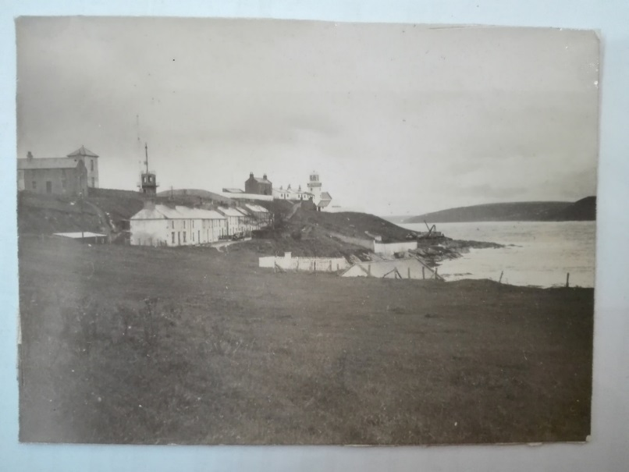

Figure 2: Location of the Stevenson thermometer screen in 1925. Looking SWW.
Source: National Meteorological Archive, Met Office.

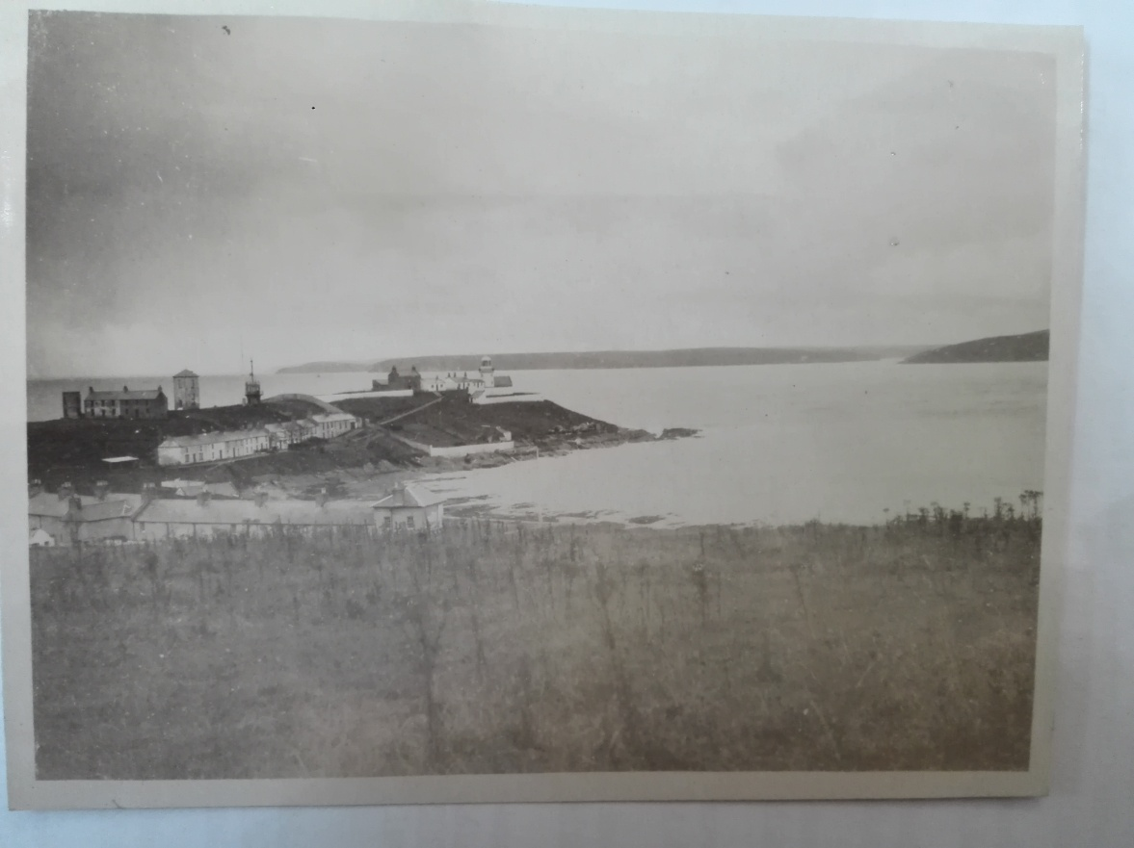

Figure 3: Location of the Stevenson thermometer screen in 1925.
Source: National Meteorological Archive, Met Office.

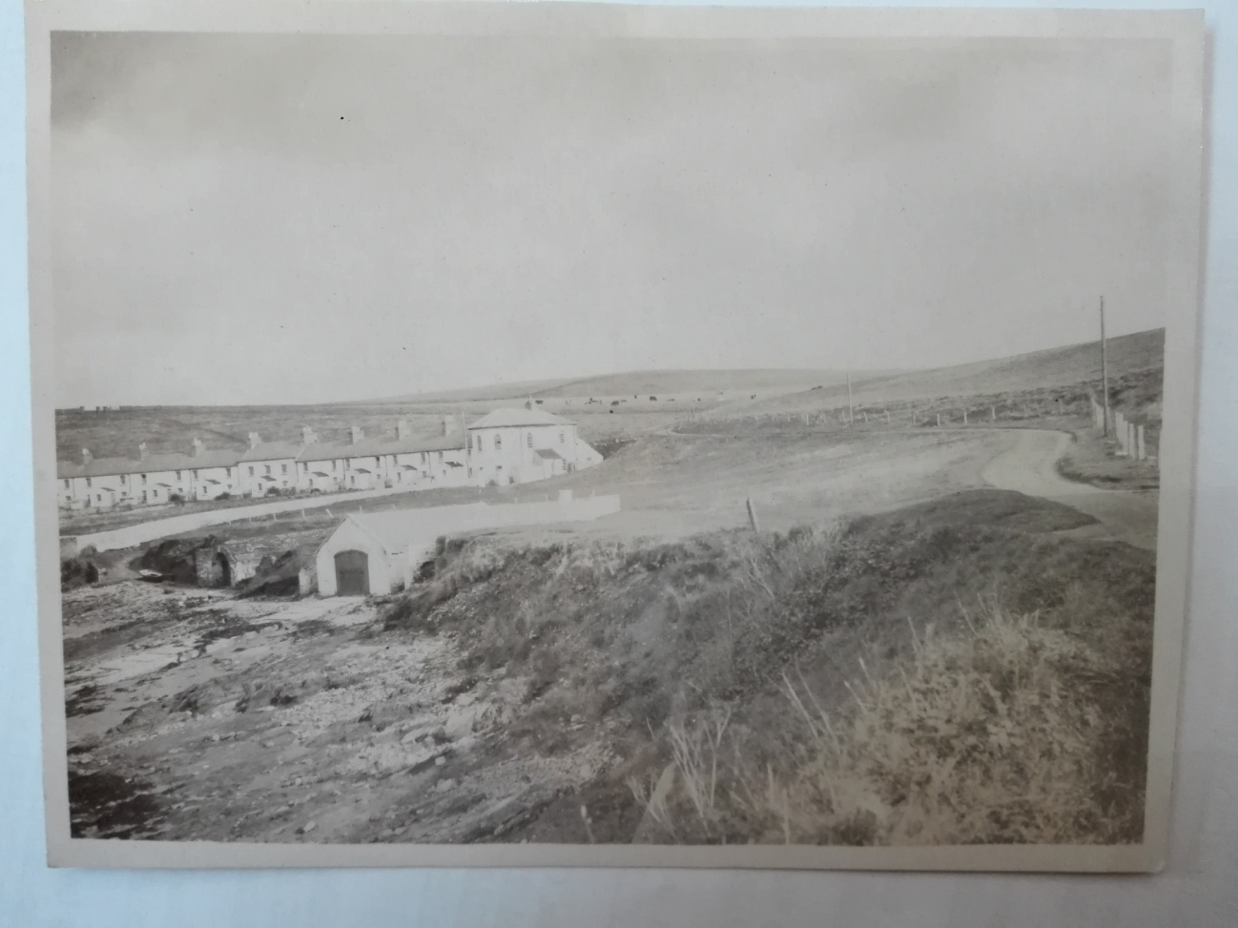

Figure 4: Location of the Stevenson thermometer screen at Roches Point telegraphic reporting station in 1925.
Source: National Meteorological Archive, Met Office.

Photographs of the surroundings of the station at Roches Point are available at:
http://catalogue.nli.ie/Record/vtls000325263
http://catalogue.nli.ie/Record/vtls000331554
(Last accessed on 27/07/2019).

